1. Title Page
[Instacart Grocery Basket Analysis]

Instacart Grocery Basket Analysis
Date: 27/05/2024
Analyst Name: Heidi Han

Contents:
Population Flow
Consistency checks
Wrangling steps
Column derivations
Visualizations
Recommendations

Data Citation:
“The Instacart Online Grocery Shopping Dataset 2017”, Accessed from www.instacart.com/datasets/grocery-shopping-2017 via Kaggle on [24/04/2024].

2. Population Flow
Title page

Population flow

Exclusion flag
Condition: max_order < 5
Obervations to be removed: 1,440,045
Final total count of order_products_all: 30,959,687

Orders_products_combined
Orders_products_merged
Orders_products_customers_aggregated

Total: 32,399,732
Total: 32,434,489
Total: 32,399,732

1.) The grey boxes in the first row of the population flow represent the original data sets as they were when you downloaded them. In the Total fields you need to add the count of the rows when you imported the data set into Jupyter.
2.) The second row of boxes (coloured) represents the data sets after you manipulated them, e.g., removed missing values and duplicates. In the Total fields you need to add the count of the rows after conducting these operations. This offers a visual overview of how the data flows throughout the data consistency checks.
3.) The third row, where also the arrows are coloured, represents the merges you performed between the datasets. In the Total fields you need to add the count of the rows in the merged datasets, so that you end up with the final dataset (in the red box). Keep in mind the final dataset should be without exclusions (based on the exclusion flag).

3. Consistency checks
 |  |  |  |  | Title page
Consistency checks

Dataset | Missing values | Missing values treatment | Duplicates | Other
orders | 206,209 - in "days_since_prior_order" | Flag created - "first_order" | 0 rows removed
products | 16 - in "product_name" | Removed | 5 rows removed | 2 rows removed due to error in price
orders_products_prior | n/a | n/a | n/a
customers | n/a | n/a | n/a
orders_products_customers_aggregated | n/a | n/a | n/a | Ensured all rows where order_number is 1 had days_since_prior_order as NaN using crosstab

4. Wrangling steps
 |  |  |  | Title page
Wrangling steps

Columns dropped | Columns renamed | Columns' type changed | Comment/Reason
"eval_set" |  |  | Unnecessary to analysis (Ex 4.4)
 | "order_dow" |  | Because "orders_day_of_week" was considered easier to interpret
 |  | "order_id" (int --> str) | Unnecessary to analysis (Ex 4.4)
 |  | "user_id" (int --> str) | Unnecessary to analysis (Ex 4.4)
"First Name" |  |  | Unnecessary to analysis and personally identifiable information (Ex 4.9)
"Surname" |  |  | Unnecessary to analysis and personally identifiable information (Ex 4.9)
 | "Gender" |  | Decapitalised for consistency (Ex 4.9)
 | "STATE" |  | Decapitalised for consistency (Ex 4.9)
 | "Age" |  | Decapitalised for consistency (Ex 4.9)
 | "_merge" |  | Original merge flag caused error in Ex 4.9 when customer data had to be merged with the orders_products data
 | "_merge" |  | Renamed to identify against the other merge flag (named merge_2)
 |  | "product_id" (int64 --> int32) | Save on memory
 |  | "aisle_id" (int64 --> int16) | Save on memory
 |  | "department_id" (int64 --> int8) | Save on memory
 |  | "order_id" (str --> int32) | Save on memory
 |  | "user_id" (str --> int32) | Save on memory
 |  | "order_number" (int64 --> int16) | Save on memory
 |  | "orders_day_of_week" (int64 --> int8) | Save on memory
 |  | "order_hour_of_day" (int64 --> int8) | Save on memory
 |  | "add_to_cart_order" (int64 --> int16) | Save on memory
 |  | "reordered" (int64 --> int8) | Save on memory
 |  | "max_order" (int64 --> int16) | Save on memory
 |  | "user_id" (int64-->int32) | In customer data to merge with ords_prods_merged data
 |  | "age" (int64 --> int8) | Save on memory (Ex 4.9)
 |  | "n_dependents" (int64 --> int8 | Save on memory (Ex 4.9)
 |  | "income" (int64 --> int32) | save on memory (Ex 4.9)

5. Column derivations
 |  |  |  | Title page

Column derivations and aggregations

In this tab you should add tables below that the frequences of flags/label variables that you produced after deriving them. NB: don't do this for continuous variables, only for flags.
Dataset | New column | Column/s it was derived from | Conditions
orders_checked | first_order | days_since_prior_order | ["days_since_prior_order"].isnull() True (206,209) False (3,214,874)
orders_products_merged_v2 | price_range_loc | prices | High-range product (412,551): "prices" > 15 Mid-range product (21,860,860): 5 < "prices" <=15 Low-range product (10,126,321): "prices" <= 5
orders_products_merged_v2 | busiest_days | orders_day_of_week | Busiest days (11,862,627): if value in [0, 1] Slowest days (7,623,037): elif value in [3, 4] Regularly busy (12,914,068): else (value in [2, 5, 6])
orders_products_merged_v2 | busiest_period_of_day | order_hour_of_day | Most orders (21,114,733): if value in [10, 11, 14, 15, 13, 12, 16, 9] Average orders (9,996,048): elif value in [17, 8, 18, 19, 20, 7, 21, 22] Fewest orders (1,288,951): else (value in [23, 6, 0, 1, 5, 2, 4, 3])
orders_products_merged_v3 | loyalty_flag | max_order (which was derived from user_id & order_number) | Loyal customer (10,282,763): "max_order" > 40 Regular customer (15,874,128): 10 < "max_order" <= 40 New customer (6,242,841): "max_order" <= 10
orders_products_merged_v4 | spending_flag | user_mean_product_price (which was derived from user_id & prices) | Low spender (32,280,013): "user_mean_product_price" < 10 High spender (119,719): "user_mean_product_price" >= 10
orders_products_merged_v4 | frequency_flag | median_days_between_orders (which was derived from user_id & days_since_prior_order) | Frequent customer (21,556,644): "median_days_between_orders" <= 10 Regular customer (7,207,340): 10 < "median_days_between_orders" <= 20 Non-frequent customer (3,635,743): "median_days_between_orders" > 20 nan (5): The result of 5 customers who only ever made 1 purchase and thus had no value in "median_days_between_orders"
orders_products_customers_aggregated | region | state | Northeast (5,721,892): "State" isin ['Maine', 'New Hampshire', 'Vermont', 'Massachusetts', 'Rhode Island', 'Connecticut', 'New York', 'Pennsylvania', 'New Jersey'] Midwest (7,596,065): "State" isin ['Wisconsin', 'Michigan', 'Illinois', 'Indiana', 'Ohio', 'North Dakota', 'South Dakota', 'Nebraska', 'Kansas', 'Minnesota', 'Iowa', 'Missouri'] West (8,291,679): "State" isin ['Idaho', 'Montana', 'Wyoming', 'Nevada', 'Utah', 'Colorado', 'Arizona', 'New Mexico', 'Alaska', 'Washington', 'Oregon', 'California', 'Hawaii'] South (10,790,096): "State" isin ['Delaware', 'Maryland', 'District of Columbia', 'Virginia', 'West Virginia', 'North Carolina', 'South Carolina', 'Georgia', 'Florida', 'Kentucky', 'Tennessee', 'Mississippi', 'Alabama', 'Oklahoma', 'Texas', 'Arkansas', 'Louisiana']
orders_products_customers_aggregated | age_group | age | Young Adult (3,863,867): "age" <= 25 Adult (9,213,093): 25 < "age" < 45 Older Adult (9,688,461): 45 <= "age" < 65 Senior (8,194,267): "age" >= 65
orders_products_customers_aggregated | income_group | income | Low (3,362,554): "income" <= 50,000 Middle (13,394,719): 50,000 < "income" <= 100,000 High (14,202,414): "income" > 100,000
orders_products_customers_aggregated | dependants_flag | n_dependants | No Dependants (7,738,508): "n_dependants" = 0 Has Dependants (23,221,179): "n_dependants" > 0

6. Visualizations
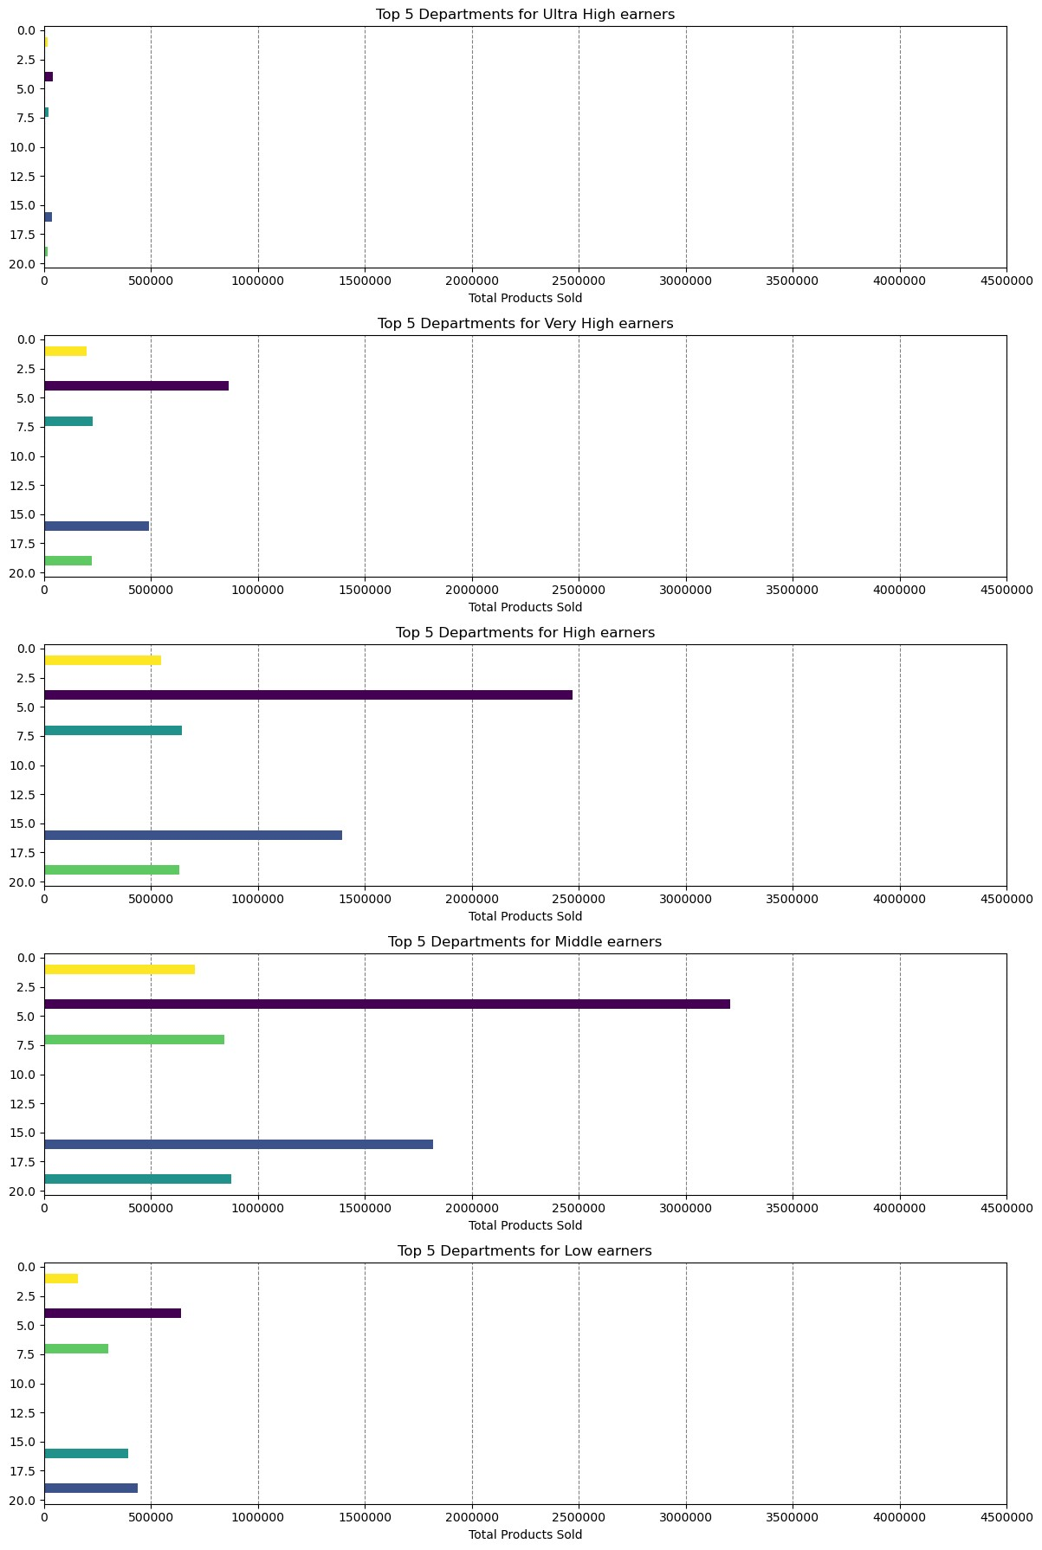
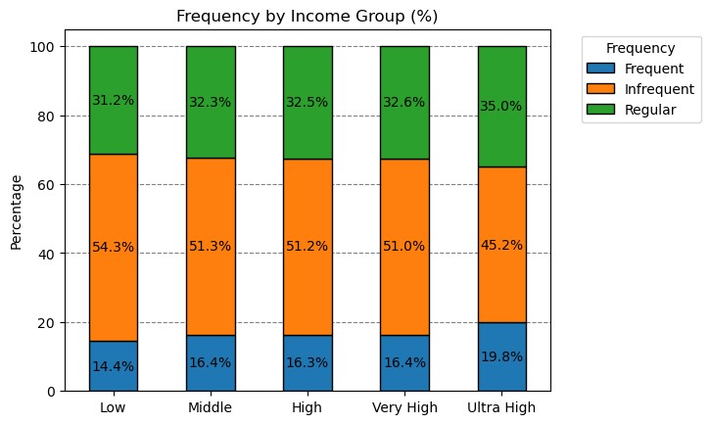
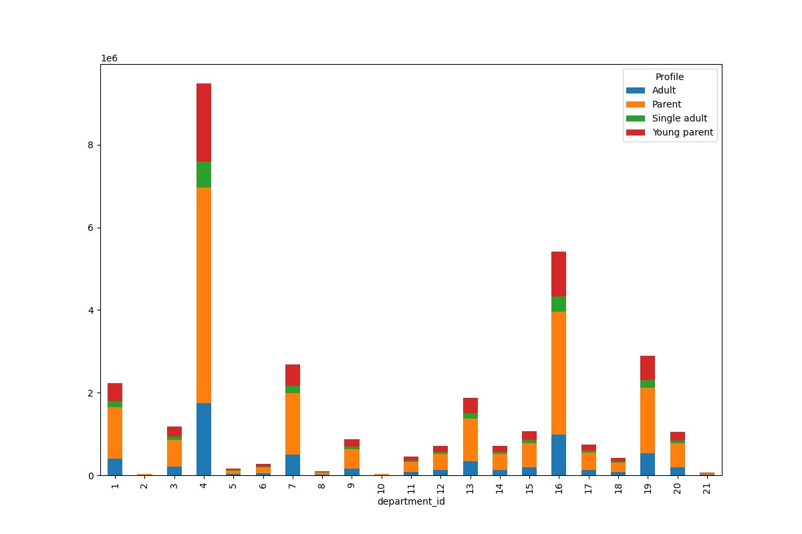
Title page

Visualisations

In this tab you should include all the visualtions from Exercises 4.9 and 4.10, alongside the questions from the project brief that they answer. Include any commentary on the relationship between different variables.
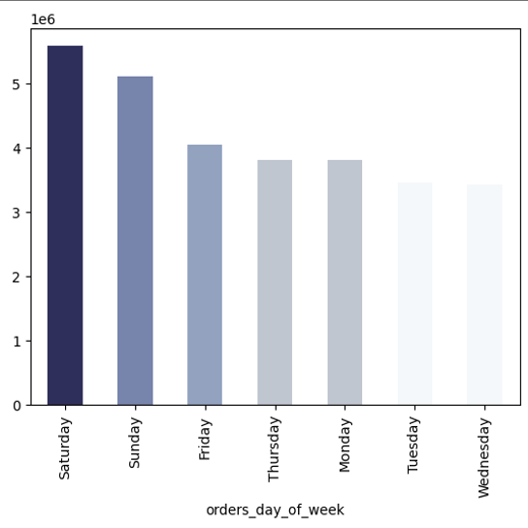

Key Question: "The sales team needs to know what the busiest days of the week and hours of the day are (i.e., the days and times with the most orders) in order to schedule ads at times when there are fewer orders".
Midday Shopping Peak: The histogram reveals a surge in orders between 9am and 4pm, suggesting a trend where most consumers prefer to shop during their lunch hours or just after concluding their workday, especially if they finish before 5pm.
Morning Activity Insight: A significant volume of orders placed from 9am to 10am hints at shoppers who may have flexible work schedules or favor early shopping on days off, like weekends.
Off-Peak Patterns: As anticipated, the histogram displays a decline in orders during the late-night to early-morning hours, reflecting common shopping habits.
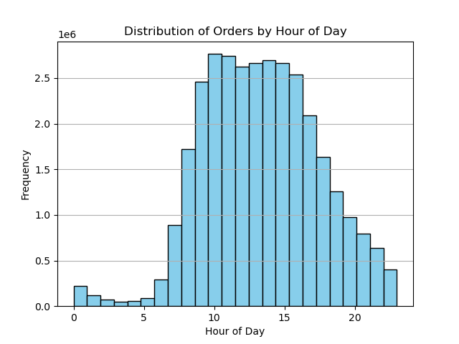

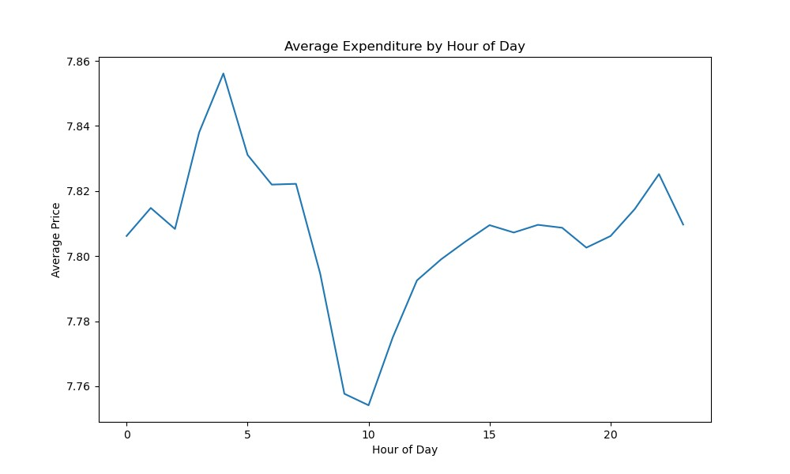
Key Question: "They also want to know whether there are particular times of the day when people spend the most money, as this might inform the type of products they advertise at these times".
Price Trends by Hour: The line graph on the left illustrates the average prices of products throughout the day. Despite minimal fluctuations (as shown by the y-axis marked in 2.5-cent increments), there’s a noticeable peak in average prices during the late-night to early-morning period, with the highest point at 4am to 5am.

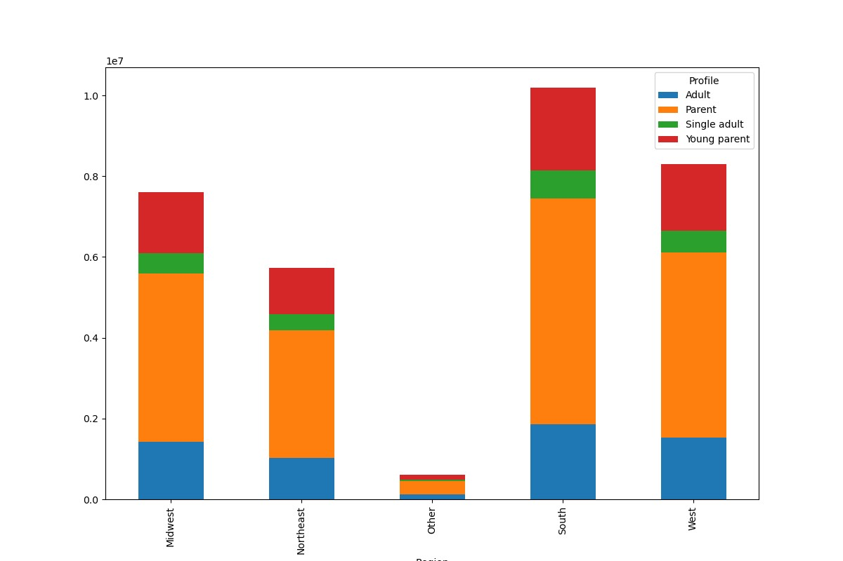

Key Question: "How does the profile distribution of Instacart customers vary by region?"
Commentary: The bar chart illustrates the profile distribution of Instacart customers across different regions. The most common profile in each region is 'Parent,' followed by 'Young parent' and 'Single adult.' The Midwest and South regions have the highest number of 'Parent' profiles, while the 'Other' region has the least representation across all profiles.

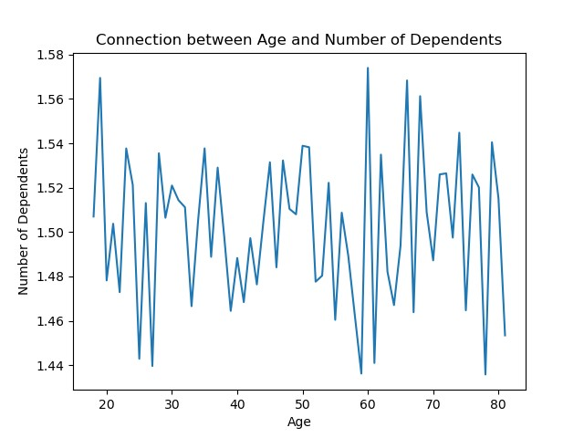
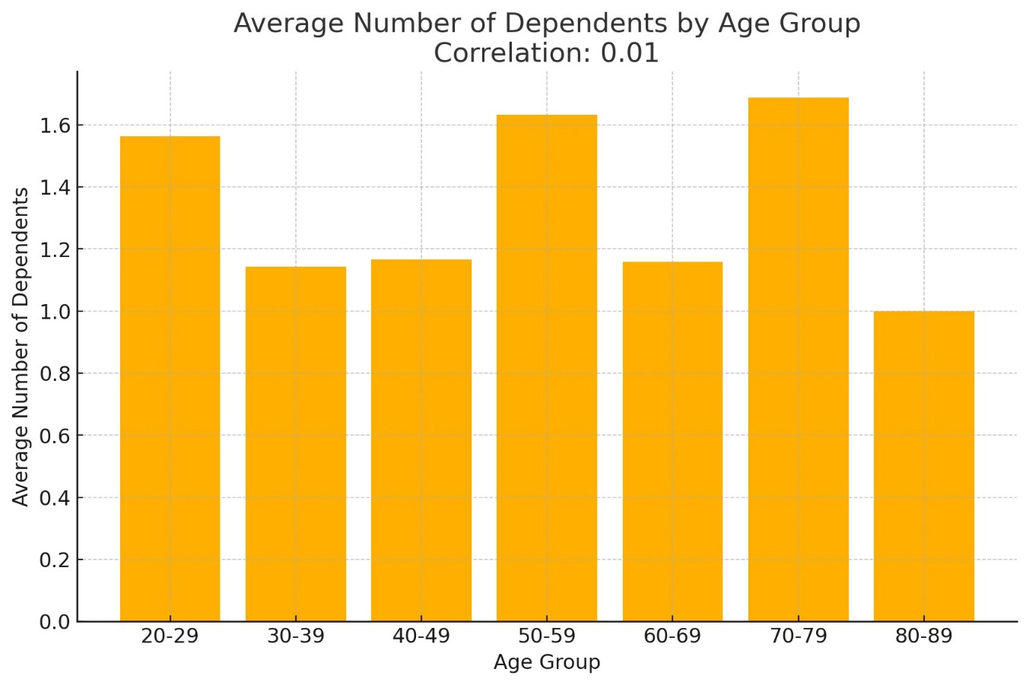

Key Question: "What is the relationship between age and the number of dependents among Instacart customers?"
Commentary: The chart displays the relationship between the age of Instacart customers and their number of dependents. Ages are grouped into 10-year intervals to reveal trends. The number of dependents typically increases from ages 20-49 and then decreases.
Trends:
Peak: The highest number of dependents is seen in the 30-49 age groups, reflecting typical family-raising years.
Lowest: The lowest number is in the 20-29 and 70+ age groups, indicating early adulthood and post-child-rearing stages.
Variability: There is significant variability within each age group, showing diverse family structures.
Correlation: A moderate positive correlation indicates that the number of dependents increases with age up to a certain point and then decreases.
(Supporting extra simplified visualization provided by bar graph)

Key Question: "What’s the distribution among users in regards to their brand loyalty (i.e., how often do they return to Instacart)"?
Scatter Plot Analysis:
The scatter plot displays the relationship between the total number of customers and the total items purchased by different loyalty groups, with each point representing a specific customer type.
Annotations and Insights:
Loyal Customer: This group shows a lower total number of customers but a relatively high number of items purchased. This indicates that loyal customers, though fewer in number, tend to purchase more items.
Regular Customer: This group has a moderate number of customers who purchase the highest total number of items. Regular customers significantly contribute to total sales due to their purchasing behavior.
New Customer: Despite having the highest number of customers, new customers purchase fewer items overall compared to loyal and regular customers. This suggests that new customers either make smaller purchases or are still in the initial stages of engagement with the platform.
Trend Line: The red dashed trend line shows a negative correlation between the total number of customers and the total items purchased, indicating that as the number of customers increases, the average number of items purchased per customer tends to decrease.
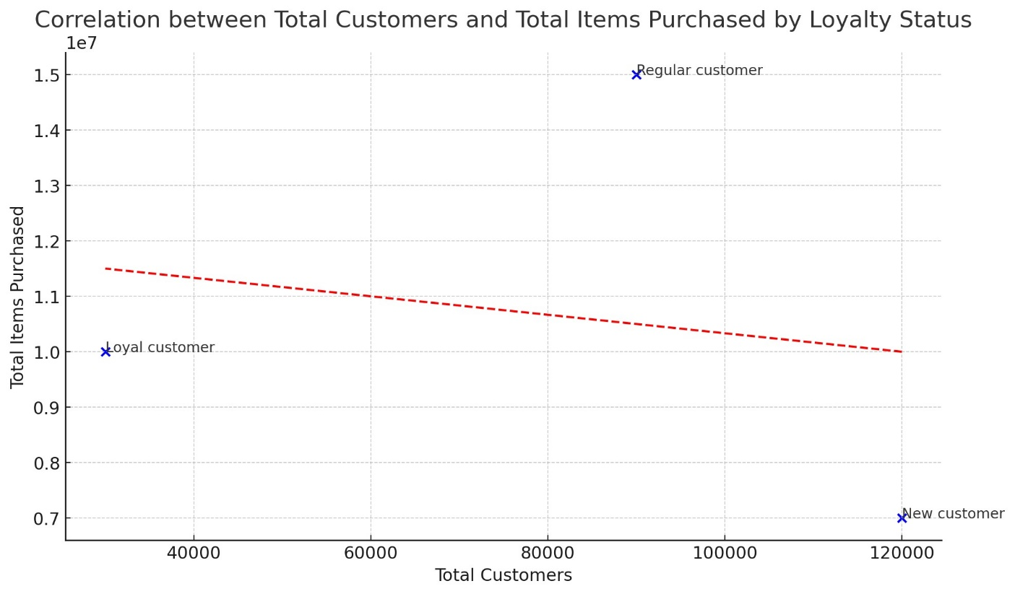

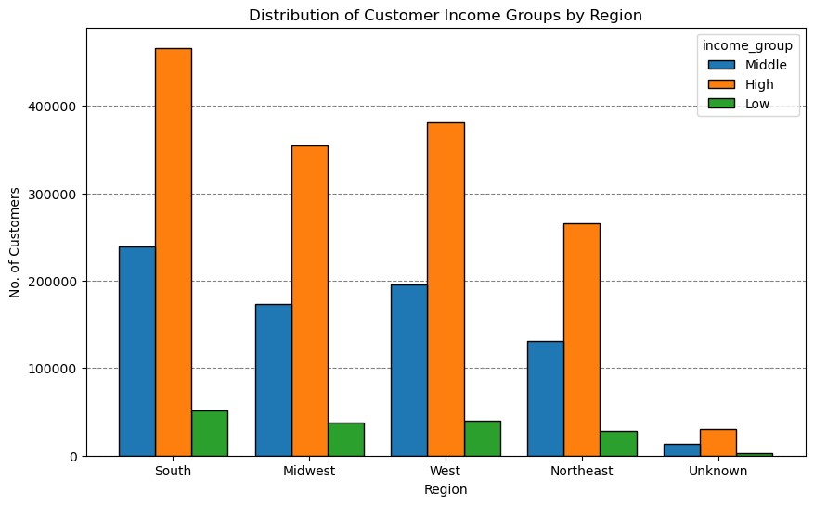
Key Question: "How are customer income groups distributed across different regions on Instacart?"
Commentary: The bar chart shows the distribution of Instacart customers' income groups across various regions.
South Region: The South has the highest number of 'High' income customers, followed by 'Middle' and 'Low' income groups. This region has a significant lead in the 'High' income category.
Midwest and West Regions: Both the Midwest and West have a similar pattern, with 'High' income customers being the most numerous, followed by 'Middle' and then 'Low' income customers. The Midwest has a slightly higher number of 'Middle' income customers compared to the West.
Northeast Region: In the Northeast, 'High' income customers also dominate, but the gap between 'High' and 'Middle' income groups is smaller compared to other regions.
Unknown Region: The 'Unknown' region has the lowest number of customers overall, with 'Middle' income customers being the most represented.
Income Group Trends: Across all regions, 'High' income customers are the most prevalent, followed by 'Middle' and 'Low' income groups, indicating that Instacart predominantly serves higher-income households.

Key Question: "Which regions have the highest number of total product orders on Instacart?"
Commentary: The bar chart shows the total product orders by region on Instacart. The South region has the highest number of total product orders, followed by the West and Midwest regions. The Northeast region has fewer orders, and the 'Unknown' region has the least.
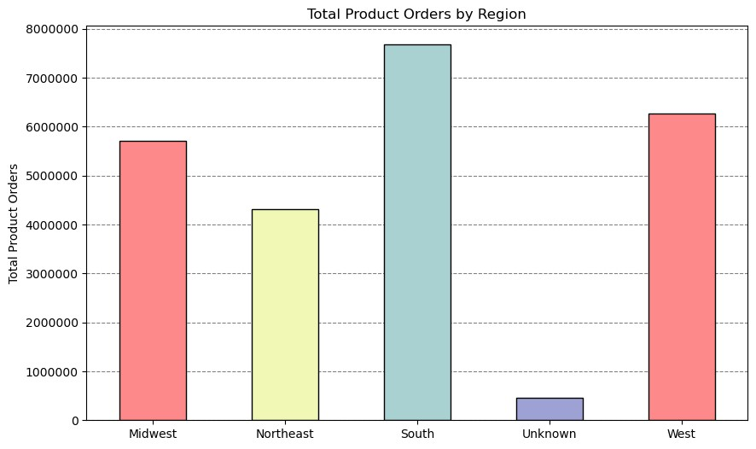

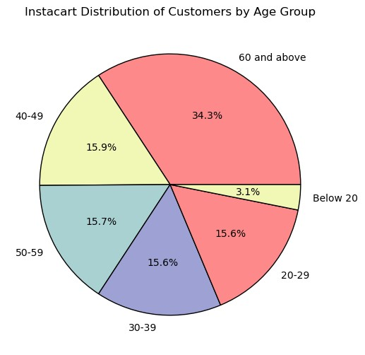
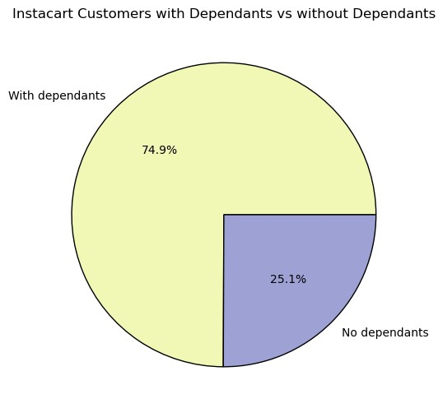
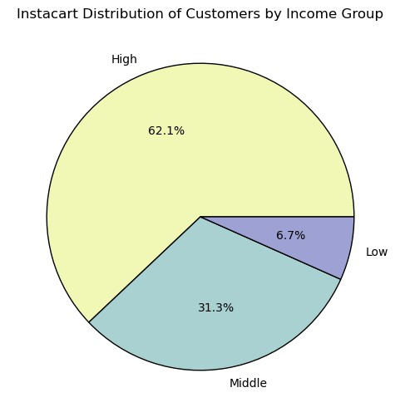
Commentary: The pie charts illustrate the segmentation of Instacart's customer base by three different profiling variables.
Age: The age group categories are somewhat arbitrary, based predominantly on intuition. The most represented age group is 60 and above (34.3%), followed by other age groups relatively equally distributed.
Income: The income groups were based on distributions of household incomes in the U.S. during 2022 from the Statista site . The aim was to segment customers into low, middle, and high-income groups based on approximate 1/3 splits in the actual distribution of U.S. household incomes. The majority of Instacart's customers fit into the high (62.1%) and middle (31.3%) income categories.
Dependents: This category simply states whether a customer has dependents or not. The majority of customers have dependents (74.9%).

Key Question: "How does the frequency of Instacart orders vary by income group?"
Commentary: The stacked bar chart displays the frequency of Instacart orders across different income groups. 'Infrequent' orders are the most common across all income groups, followed by 'Regular' and 'Frequent' orders. The 'Ultra High' income group shows the highest percentage of 'Frequent' orders (19.8%), while the 'Low' income group has the lowest (14.4%).
Key Question: "What is the profile distribution of Instacart customers by department?"
Commentary: The bar chart illustrates the profile distribution of Instacart customers across different departments. The 'Parent' profile is most prevalent in departments with higher sales volumes, particularly in departments with IDs 4, 16, and 19. The 'Adult' profile also shows significant representation across various departments.
Key Question: "Which departments are most popular among different income groups?"
Commentary: The series of bar charts show the top 5 departments by total products sold for various income groups. The 'Produce' department consistently ranks highest across all income groups. Other popular departments include 'Dairy/Eggs,' 'Snacks,' 'Beverages,' and 'Frozen,' varying slightly in ranking among the different income levels.

7. Recommendations
Title page

Recommendations

Marketing / Sales:
Q3: Price range groupings (low, mid, and high) have been created to guide marketing and sales efforts.
Q7: Increase marketing efforts in the Northeast region, as it currently has the fewest customers.
Promotions:
Q1: Schedule ads between 5 PM and 8 AM, as these are the times with the fewest orders.
Q1: Place promotions on Tuesday and Wednesday to encourage more sales, as these days have the fewest orders.
Q5: Develop and promote loyalty programs to encourage more frequent and consistent orders (e.g., visible loyalty status that offers discounts and special deals).
Other/Further Analysis:
Q2: The average price of purchased products is marginally highest around 4 AM to 5 AM. Analyze the types of products bought during these times to inform whether to promote high-range products.
Q3: Investigate the relative underperformance of high-range products compared to low- and mid-range products to determine if it's a genuine concern or due to the number of products in each range.
Q10: High-earners, despite having more disposable income, show similar ordering habits to middle-earners. Send surveys to high-income customers to find out what they would like to see on Instacart to encourage greater spending.

Key Questions

Key Question 1: "The sales team needs to know what the busiest days of the week and hours of the day are (i.e., the days and times with the most orders) in order to schedule ads at times when there are fewer orders".

Schedule advertisements on Tuesday and Wednesday to capitalize on lower order volumes and capture customer attention.
Consider targeted promotions or special deals during the peak hours of 10 AM to 6 PM, and peak days Saturday, Sunday and Friday (weekends) to maximize visibility and sales.

Key Question 2: "They also want to know whether there are particular times of the day when people spend the most money, as this might inform the type of products they advertise at these times".

Answer: The average price of a sold product is slightly greater during late-night/early-morning hours. However, the average also varies the most during these times.
In terms of the order total, customers making orders around 8pm-11pm spend more on average during these times.

Key Question 3: "How does the profile distribution of Instacart customers vary by region?"

Targeted Marketing: Focus on family-oriented products and promotions in the Midwest, South, and West regions, where 'Parent' profiles are dominant.
Diverse Product Offerings: In the Northeast, offer a diverse range of products to cater to both 'Parent' and 'Adult' profiles, ensuring a broad appeal.
Customized Promotions: Develop region-specific marketing campaigns that highlight the most relevant products for the predominant customer profiles in each area.

Key Question 4: "What is the relationship between age and the number of dependents among Instacart customers?"

Tailored Marketing Strategies: Develop marketing strategies that consider the high variability in the number of dependents across all age groups. For example, targeted advertisements for family-oriented products might be most effective for customers in their 30s to 60s.
Support for Young and Older Adults: Consider offering products and services that cater to young adults who may have dependents early, as well as older adults who might be supporting grandchildren or others.
Lifecycle Marketing: Implement lifecycle marketing campaigns that address the changing needs of customers as they age, ensuring that product offerings remain relevant and appealing to each age group.

Key Question 5: "What’s the distribution among users in regards to their brand loyalty (i.e., how often do they return to Instacart)"?



Retention: Convert new customers to regular/loyal through discounts and loyalty programs.
Engagement: Target regular customers with exclusive offers to promote loyalty.
Experience: Improve onboarding and customer service to encourage repeat purchases.
Loyalty Programs: Enhance rewards for frequent purchases to build long-term commitment.

Key Question 6: "How are customer income groups distributed across different regions on Instacart?"

Target High-Income: Focus premium product marketing in the South, Midwest, West, and Northeast regions.
Expand Middle-Income: Develop mid-range product promotions for the Midwest and Northeast to cater to significant middle-income groups.
Low-Income Outreach: Consider affordable options and promotions in regions with notable low-income customers to increase engagement.

Key Question 7: "Are there differences in ordering habits based on a customer's region"?

Focus on South: Increase marketing efforts and promotions in the South to leverage the high order volume.
Enhance Midwest and West Engagement: Tailor regional campaigns to sustain and grow the customer base in these areas.
Boost Northeast Activity: Seems like sales in the Northeast are lagging, we should investigate further for this.
Analyze Unknown Region: Investigate the 'Unknown' category to understand and potentially engage this small customer base.

Key Question 8: "What different classifications does the demographic information suggest"?

Senior Focus: Develop products and services tailored for the 60 and above age group, given their large representation.
Family-Oriented Products: Emphasize family-friendly products and promotions, as most customers have dependents.
High-Income Marketing: Target high-income customers with premium product offerings and exclusive deals.
Middle-Income Engagement: Maintain engagement with middle-income customers through value-based promotions and discounts.

Key Question 9: "Is there a connection between age and family status in terms of ordering habits"?


Target Infrequent Orders: Develop strategies to convert infrequent customers into regular or frequent buyers, especially targeting high-income groups with personalized promotions.
Family-Oriented Marketing: Focus on family-oriented products and services in departments where 'Parent' profiles are prevalent. Tailor marketing messages to highlight convenience and value for families.
Engage Ultra High Income: Leverage the higher tendency for frequent orders among the ultra-high-income group by offering exclusive deals and premium services.
Department-Specific Campaigns: Implement department-specific campaigns that cater to the dominant customer profiles, ensuring relevant product recommendations and personalized offers.

Key Question 10: "What are the top 5 departments for each income group on Instacart, and how does product preference vary across different income levels?"

Premium Products for High Earners: Focus on high-quality, premium products for ultra-high and very high earners. Tailor marketing campaigns to emphasize quality and exclusivity.
Staples and Convenience: For high and middle earners, continue promoting staple items like produce, dairy/eggs, and snacks. Highlight convenience and value.
Cost-Effective Options: Develop promotions around cost-effective and essential items for low earners, such as canned goods and pantry staples, to drive higher engagement and sales.
Targeted Marketing: Use these insights to create targeted marketing strategies that cater to the specific preferences of each income group, enhancing customer satisfaction and loyalty.

